Week3-Day1
Topic | Response
1) With vibe coding implement the playwright/typescript or any other tool which you work say Selenium/Python | Created Playwright/Typescript script - import { Page, Locator } from 'playwright'; /** * Page Object for Login Page */ export class LoginPage { private page: Page; private loginForm: Locator; private usernameInput: Locator; private passwordInput: Locator; private signInButton: Locator; private languageSelector: Locator; /** * Initializes the LoginPage object. * @param page The Playwright page object. */ constructor(page: Page) { this.page = page; this.loginForm = page.locator('#mcux-login-form'); this.usernameInput = page.locator('#name'); this.passwordInput = page.locator('#password'); this.signInButton = page.locator('#loginButton'); this.languageSelector = page.locator('#select-button'); } /** * Enters the username. * @param username The username to enter. */ async enterUsername(username: string): Promise<void> { await this.usernameInput.fill(username); } /** * Enters the password. * @param password The password to enter. */ async enterPassword(password: string): Promise<void> { await this.passwordInput.fill(password); } /** * Clicks the sign in button. */ async clickSignInButton(): Promise<void> { await this.signInButton.click(); } /** * Selects a language from the language selector. * @param language The language to select. */ async selectLanguage(language: string): Promise<void> { await this.languageSelector.click(); await this.page.locator(`text="${language}"`).click(); } /** * Submits the login form. */ async submitLoginForm(): Promise<void> { await this.loginForm.submit(); } } Copy Provide additional information Inspect Generate
 | Created Java/Selenium script - from selenium.webdriver.common.by import By from selenium.webdriver.support.ui import WebDriverWait from selenium.webdriver.support import expected_conditions as EC class LoginPage: """ Page Object Model for the Login Page. """ def __init__(self, driver): """ Initializes the LoginPage object. Args: driver (webdriver): The Selenium webdriver instance. """ self.driver = driver self.wait = WebDriverWait(driver, 10) def get_username_input(self): """ Retrieves the username input field. Returns: WebElement: The username input field. """ return self.wait.until(EC.presence_of_element_located((By.ID, "name"))) def get_password_input(self): """ Retrieves the password input field. Returns: WebElement: The password input field. """ return self.wait.until(EC.presence_of_element_located((By.ID, "password"))) def get_login_button(self): """ Retrieves the login button. Returns: WebElement: The login button. """ return self.wait.until(EC.presence_of_element_located((By.ID, "loginButton"))) def get_language_selector(self): """ Retrieves the language selector button. Returns: WebElement: The language selector button. """ return self.wait.until(EC.presence_of_element_located((By.ID, "select-button"))) def enter_username(self, username): """ Enters the username into the username input field. Args: username (str): The username to enter. """ self.get_username_input().send_keys(username) def enter_password(self, password): """ Enters the password into the password input field. Args: passw
2) Use Bugmagnet extension for form filling | 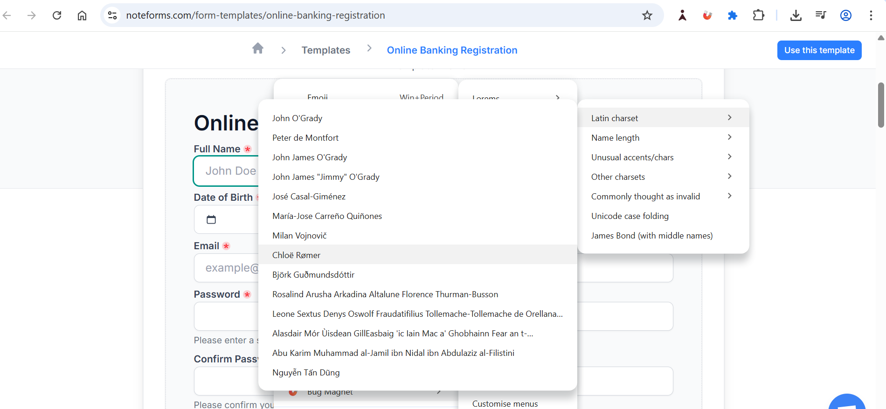
3) Use grammarly extension to correct the mistakes in your content | 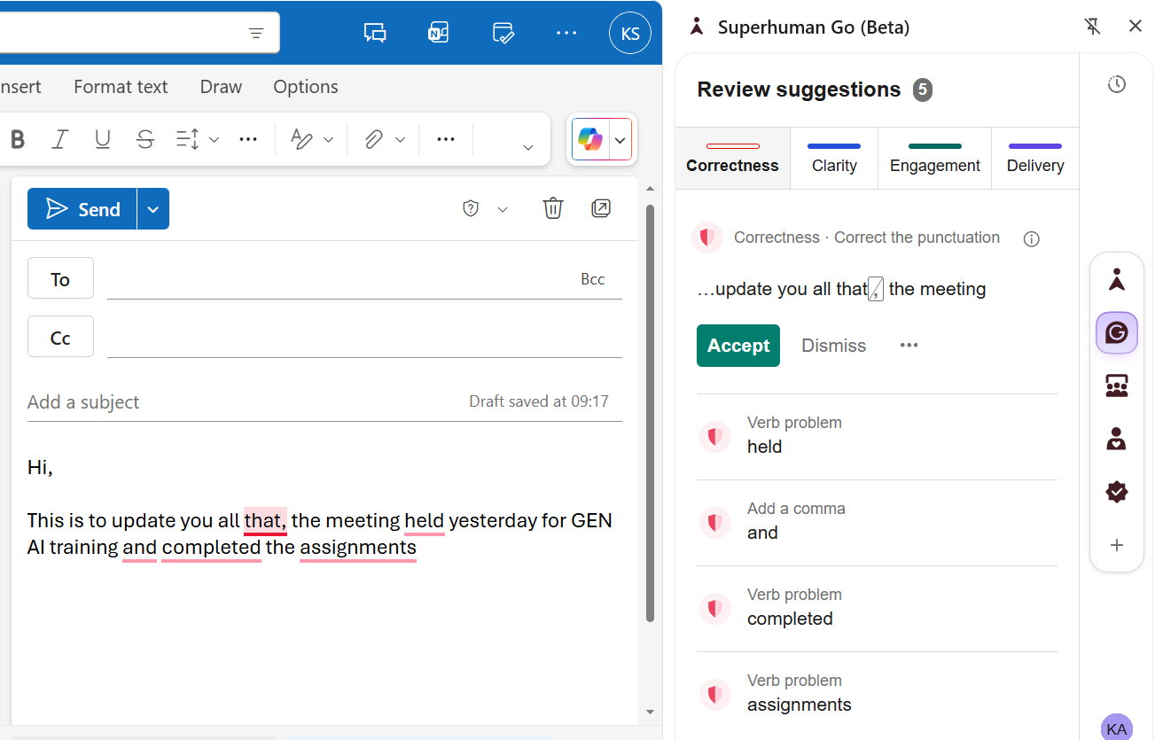 Tried Grammarly for email writing and it showed suggestions for all corrections to be done -

Week3-Day2
Assignment Topic | Implementation snapshots | Comments
Add a download button in UI with the formats like XLSX,PDF,CSV. | 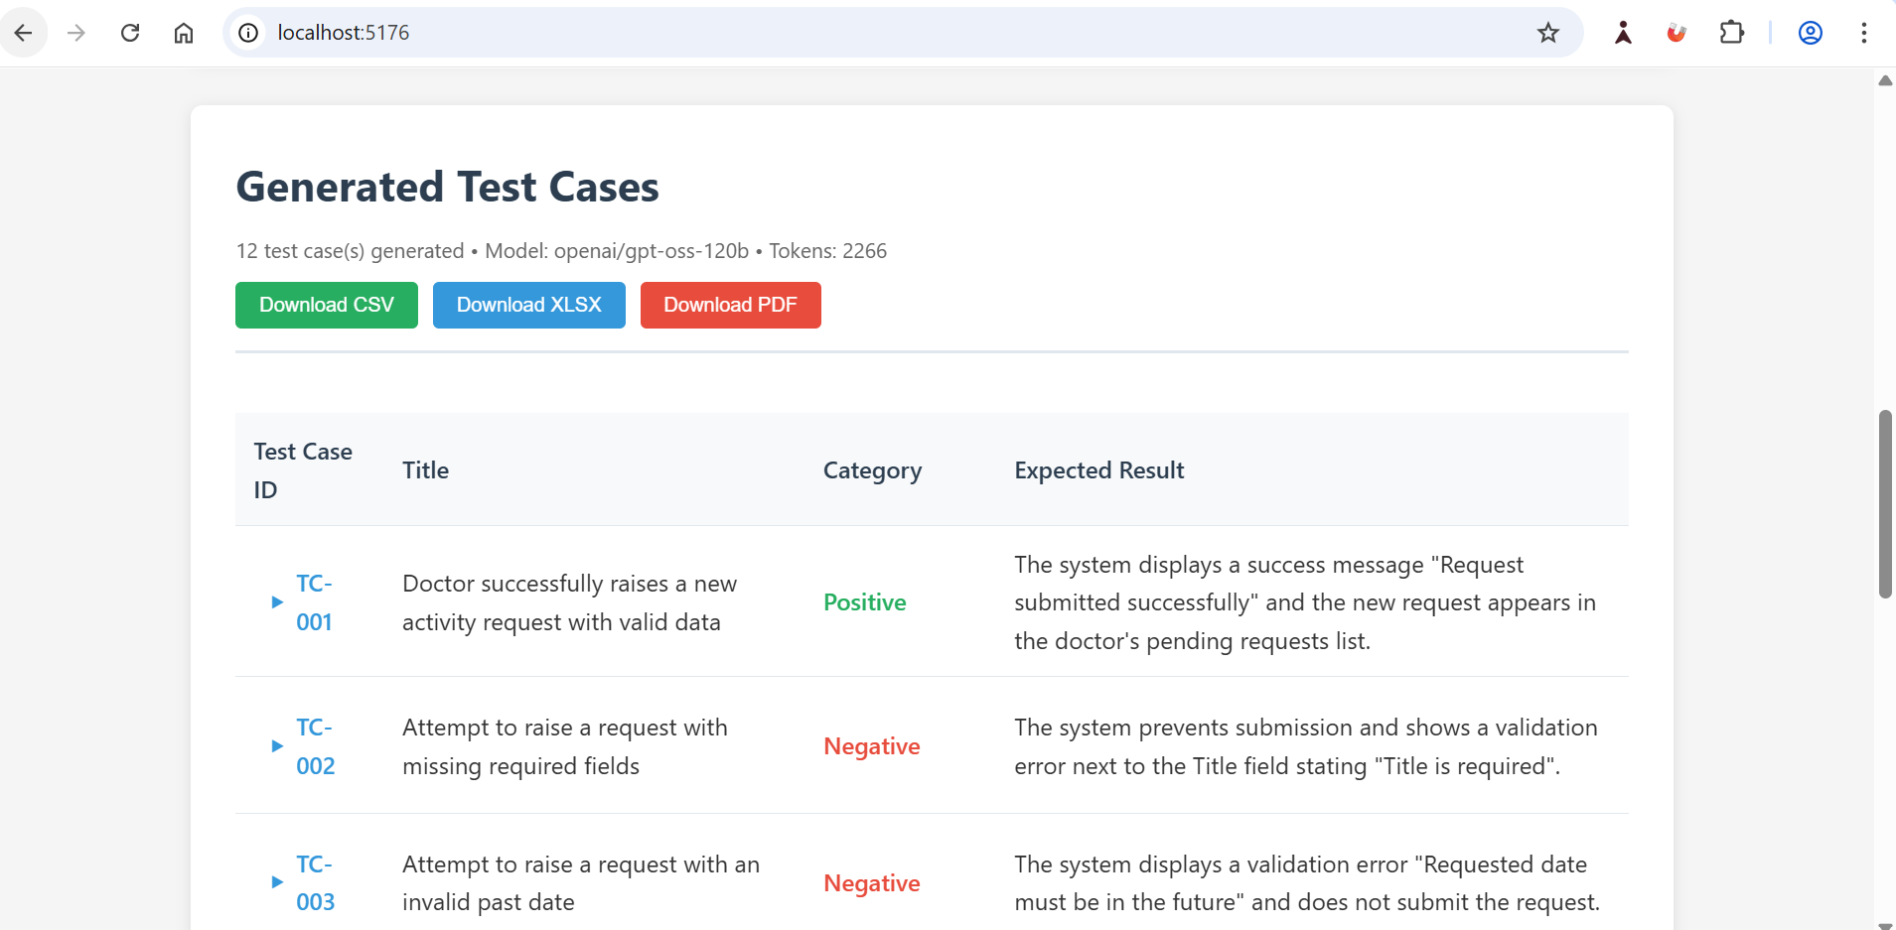 | Attached generated pdf,xlsx and csv test cases
Integrate the Jira to the exiting userstory to testcase generator codebase This is the overall requirement and Hint for Jira integration Assignment. Requirements: - Add a “Connect Jira” button in UI page to establish a connection (Base URL, email, API token). - After successful connection, show a dropdown listing all user stories. - Add a “Link Story” button that fetches story details (Title, Description, Acceptance Criteria). - Add backend connectivity to Jira. - Once connected, populate the stories; on Link Story, display the details. | Document added in Git | Was able to integrate with Jira and link stories with Jira. But Acceptance crtieria is not populated for stories imported from CSV as well for the stories created in JIRA.

